Calcs
Current sensing: INA241
 |  |  | Value state | Notes
Max phase current | 30 | A, +/- | Set | Conservatively high
Shunt resistor value | 0.003 | Ohm | Variable
Shun resistor power rating | 5 | W | Variable

Max power across shunt | 2.7 | W | Output
V across R at max I | 0.09 | V | Output

INA241 supply V | 5 | V | Set
INA241 V reference | 2.5 | V | Set
INA241 gain | 20 | V/V | Variable

INA241 differential output | 1.8 | V, +/- | Output

ADC supply V | 3.3 | V
ADC analog input range | See right

Dead Time control

RC of delay -> comparators | R | 10000 | ohm
 | C | 1.00E-12 | F
 |  | 1.00 | pF
 | tau | 0.00 | s
 |  | 10.00 | ns

V supply for comparator inp.s |  | 3.3 | V
V of RC at t=1*RC |  | 1.2144 | V
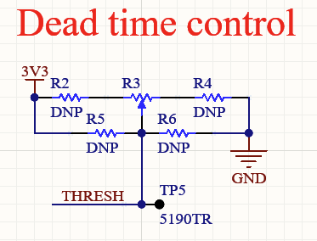

Threshold V divider
Vsupply | 3.3 | V | Set
R2 | 27000 | ohm | Variable
R3 (pot) | 10000 | ohm | Variable
Setting of pot | 0.5 | /1 | Variable
R4 | 10000 | ohm | Variable

Vout min | 0.702 | V | Output
Vout at setting | 1.053 | V | Output
Vout max | 1.404 | V | Output

Time max (~Vout min) | 15.48 | ns | Output
Time at setting | 11.42 | ns | Output
Time min (~Vout max) | 8.54 | ns | Output

observed | Threshold V | delay (ns)
max dead time | 0.711 | 110
min dead time | 1.376 | 80

Final demo pinout
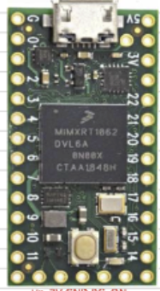
Connections | Use | Pin number | Pin number | Use | Connections
Encoder ground | GND | - | - | 5V | Encoder power
- | - | 0 | - | GND | LED resistor
- | - | 1 | - | 3V3 | 3V3, LED
PWM_U1 | PWM | 2 | 23 | - | -
PWM_V1 | PWM | 3 | 22 | - | -
PWM_W1 | PWM | 4 | 21 | - | -
- | - | 5 | 20 | - | -
- | - | 6 | 19 | - | -
Encoder CS | Digital | 7 | 18 | - | -
CSW | Digital | 8 | 17 | - | -
CSV | Digital | 9 | 16 | - | -
CSU | Digital | 10 | 15 | - | -
Encoder MOSI | SPI0 MOSI | 11 | 14 | - | -
ADC and encoder MISO | SPI0 MISO | 12 | 13 | SPI0 CLK | ADC and encoder clock

